7.2
California Manufacturing Co. Facility Location Problem
a)Let
F_{LA} = 1 if build a factory in Los Angeles; 0 otherwise F_{SF} = 1 if build a factory in San Francisco; 0 otherwise F_{SD} = 1 if build a factory in San Diego; 0 otherwise W_{LA} = 1 if build a warehouse in Los Angeles; 0 otherwise W_{SF} = 1 if build a warehouse in San Francisco; 0 otherwise W_{SD} = 1 if build a warehouse in San Diego; 0 otherwise
Maximize NPV ($million) = 8F_{LA} + 5F_{SF} + 7F_{SD} + 6W_{LA} + 4W_{SF} + 5W_{SD}
subject to
6F_{LA} + 3F_{SF} + 4F_{SD} + 5W_{LA} + 2W_{SF} + 3W_{SD} ≤ $10 million (Capital) W_{LA} + W_{SF} + W_{SD} ≤ 1 warehouse W_{LA} ≤ F_{LA} (warehouse only if factory) W_{SF} ≤ F_{SF} W_{SD} ≤ F_{SD}
and F_{LA}, F_{SF}, F_{SD}, W_{LA}, W_{SF}, W_{SD} are binary variables.

NPV ($millions) | Los Angeles | San Francisco | San Diego
Warehouse | 6 | 4 | 5

Factory | 8 | 5 | 7

Capital Required
($millions) | Los Angeles | San Francisco | San Diego
Warehouse | 5 | 2 | 3 | Capital |  | Capital
 |  |  |  | Spent |  | Available
Factory | 6 | 3 | 4 | 10 | <= | 10

 |  |  |  | Total |  | Maximum
Build? | Los Angeles | San Francisco | San Diego | Warehouses |  | Warehouses
Warehouse | 0 | 0 | 1 | 1 | <= | 1
 | <= | <= | <=
Factory | 0 | 1 | 1

 |  | Total NPV ($millions) | 17

7.5
a)
Let x₁ = 1 if invest in project 1; 0 otherwise x₂ = 1 if invest in project 2; 0 otherwise x₃ = 1 if invest in project 3; 0 otherwise x₄ = 1 if invest in project 4; 0 otherwise x₅ = 1 if invest in project 5; 0 otherwise
Maximize NPV ($million) = 1x₁ + 1.8x₂ + 1.6x₃ + 0.8x₄ + 1.4x₅
subject to 6x₁ + 12x₂ + 10x₃ + 4x₄ + 8x₅ ≤ 20 ($million capital available)
and x₁, x₂, x₃, x₄, x₅ are binary variables.

b)
 |  | Project 1 | Project 2 | Project 3 | Project 4 | Project 5
 | Estimated Profit | 1 | 1.8 | 1.6 | 0.8 | 1.4
 | ($million) |  |  |  |  |  | Capital |  | Capital
 |  |  |  |  |  |  | Spent |  | Available
 |  |  |  | Capital Required for Project ($million) |  |  | ($million) |  | ($million)
 | Capital | 6 | 12 | 10 | 4 | 8 | 20 | <= | 20

 |  |  |  |  |  |  |  |  | Total Profit
 |  | Project 1 | Project 2 | Project 3 | Project 4 | Project 5 |  |  | ($million)
 | Undertake? | 1 | 0 | 1 | 1 | 0 |  |  | 3.4

c) Parameter Analysis in R

7.14
a)
Let x_{j} = 1 if project j is done; 0 otherwise (for j = 1, 2, 3, 4, 5).
Maximize Total NPV = 12x₁ + 15x₂ + 20x₃ + 9x₄ + 23x₅ ($million)
subject to Year 1: 8x₁ + 10x₂ + 12x₃ + 4x₄ + 14x₅ ≤ 40 ($million) Year 2: 14x₁ + 18x₂ + 18x₃ + 7x₄ + 20x₅ ≤ 65 ($million) Year 3: 17x₁ + 25x₂ + 24x₃ + 9x₄ + 25x₅ ≤ 81 ($million) Year 4: 17x₁ + 30x₂ + 30x₃ + 9x₄ + 32x₅ ≤ 93 ($million)
Project 1 only if Project 2 (contingent): x₁ ≤ x₂ At most one of Project 3 and 4 (mutualy exclusive): x₃ + x₄ ≤ 1
and x_{j} are binary (for j = 1, 2, 3, 4, 5).

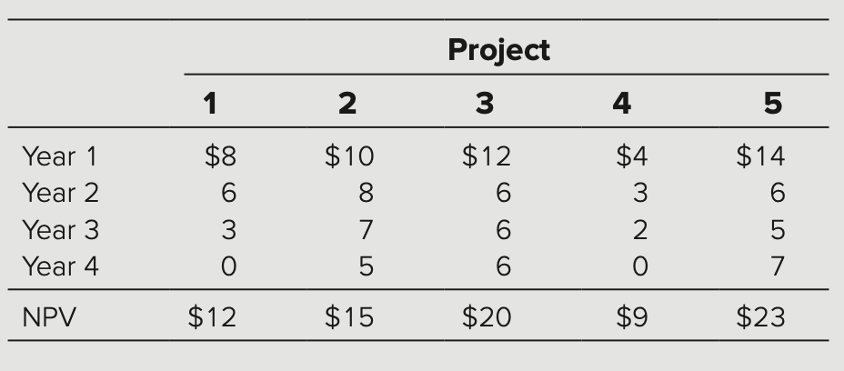

b)
 | Project 1 | Project 2 | Project 3 | Project 4 | Project 5
NPV ($million) | 12 | 15 | 20 | 9 | 23
 |  |  |  |  |  | Cumulative |  | Cumulative
 |  |  | Cumulative Cash Outflow Required ($million) |  |  | Outflow |  | Available
Year 1 | 8 | 10 | 12 | 4 | 14 | 36 | <= | 40
Year 2 | 14 | 18 | 18 | 7 | 20 | 59 | <= | 65
Year 3 | 17 | 25 | 24 | 9 | 25 | 76 | <= | 81
Year 4 | 17 | 30 | 30 | 9 | 32 | 88 | <= | 93

 |  |  |  |  |  |  |  | Total NPV
 | Project 1 | Project 2 | Project 3 | Project 4 | Project 5 |  |  | ($million)
Undertake? | 1 | 1 | 0 | 1 | 1 |  |  | 59

 | Project 1 | 1 | <= | 1 | Project 2 | (Project 1 only if Project 2)
 | Projects 3 & 4 | 1 | <= | 1 |  | (At most one of Project 3 & 4)

